Men boxer Stock List
DIESEL MEN BOXER SHORT

Assorted Images | Items | Brand | Style | Colour | Gender | Qty | S | M | L | XL
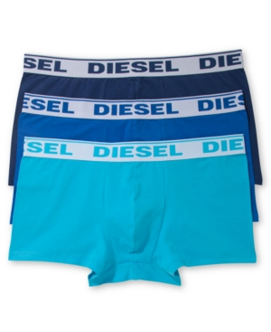 | Boxer Short | Diesel | UMBX-SHAWNTHREEPACK | Navy Dark Blue Light Blue | Men | 1735 | 179 | 683 | 708 | 165

